Example Power Speed
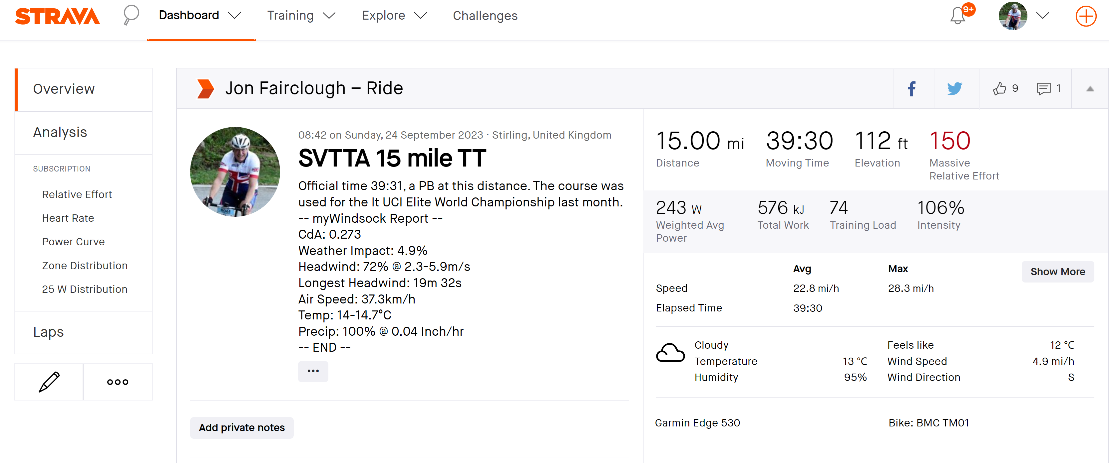
Instructions
Write in green cells with your personal values for mass etc
Write in blue values your override values if you know better than the defaults
Scroll down the table to see the power you need for a specific speed
Go to the Power Age calculation worksheet to see how your power changes with age

Theory
P | = | PRR | + | PWR
P | = | uMgv | + | 0.5 * pCdAv3

PRR calculation |  |  |  | v (mph) | PRR | PWR | PWR/PRR | P (Watts)
The coefficient of friction between tyres and road, u | 0.002 |  |  | 1 | 0.86 | 0.28 | 0.33 | 1.14
Mass of rider and bike, M | 98 | kg |  | 2 | 1.72 | 0.73 | 0.42 | 2.45
acceleration due to gravity, g | 9.81 | m/s/s |  | 3 | 2.58 | 1.51 | 0.58 | 4.09
 |  |  |  | 4 | 3.44 | 2.70 | 0.79 | 6.14
PWR calculation |  |  |  | 5 | 4.30 | 4.41 | 1.02 | 8.70
air density, p | 1.225 | kg/m3 |  | 6 | 5.16 | 6.70 | 1.30 | 11.86
CdA | 0.273 | m2 |  | 7 | 6.02 | 9.69 | 1.61 | 15.71
Headwind % | 72% |  |  | 8 | 6.88 | 13.45 | 1.96 | 20.33
Headwind speed | 2.3 | m/s |  | 9 | 7.74 | 18.08 | 2.34 | 25.81
Average headwind speed, from headwind data | 1.656 | mph |  | 10 | 8.60 | 23.66 | 2.75 | 32.25
 |  |  |  | 11 | 9.46 | 30.28 | 3.20 | 39.74
 |  |  |  | 12 | 10.31 | 38.04 | 3.69 | 48.36
Notes |  |  |  | 13 | 11.17 | 47.03 | 4.21 | 58.20
You should use the CdA from MyWindsock. |  |  |  | 14 | 12.03 | 57.33 | 4.76 | 69.36
If you do not have it choose a value from the CdA worksheet |  |  |  | 15 | 12.89 | 69.03 | 5.35 | 81.92
This example is Jon Fairclough at the SVTTA 15 Mile TT: predicts Garmin/Strava measured speed and power using MyWindsock windspeed and CdA data |  |  |  | 16 | 13.75 | 82.22 | 5.98 | 95.97
 |  |  |  | 17 | 14.61 | 97.00 | 6.64 | 111.61
 |  |  |  | 18 | 15.47 | 113.45 | 7.33 | 128.92
 |  |  |  | 19 | 16.33 | 131.66 | 8.06 | 147.99
 |  |  |  | 20 | 17.19 | 151.72 | 8.83 | 168.91
 |  |  |  | 21 | 18.05 | 173.72 | 9.62 | 191.77
 |  |  |  | 22 | 18.91 | 197.76 | 10.46 | 216.67
At 23mph, the formula predicts 243W, which is consistent with Strava data |  |  |  | 23 | 19.77 | 223.91 | 11.33 | 243.68
 |  |  |  | 24 | 20.63 | 252.28 | 12.23 | 272.90
 |  |  |  | 25 | 21.49 | 282.94 | 13.17 | 304.43
 |  |  |  | 26 | 22.35 | 315.99 | 14.14 | 338.34
 |  |  |  | 27 | 23.21 | 351.52 | 15.15 | 374.73
 |  |  |  | 28 | 24.07 | 389.62 | 16.19 | 413.69
 |  |  |  | 29 | 24.93 | 430.38 | 17.27 | 455.31
 |  |  |  | 30 | 25.79 | 473.89 | 18.38 | 499.67
 |  |  |  | 31 | 26.65 | 520.23 | 19.52 | 546.88
 |  |  |  | 32 | 27.51 | 569.50 | 20.70 | 597.01
 |  |  |  | 33 | 28.37 | 621.79 | 21.92 | 650.15
 |  |  |  | 34 | 29.22 | 677.18 | 23.17 | 706.41
 |  |  |  | 35 | 30.08 | 735.77 | 24.46 | 765.86
 |  |  |  | 36 | 30.94 | 797.65 | 25.78 | 828.59
 |  |  |  | 37 | 31.80 | 862.90 | 27.13 | 894.70
 |  |  |  | 38 | 32.66 | 931.61 | 28.52 | 964.27
 |  |  |  | 39 | 33.52 | 1003.88 | 29.95 | 1037.40
 |  |  |  | 40 | 34.38 | 1079.79 | 31.41 | 1114.18

Power Age
Instructions
Set the distance in miles of the TT and the class of the rider
Distance | 10
Average Power of an Elite Cyclist vs Age
Class | Female
 |  | Distance | 10 | miles
Age | P (W) | Classification | Female
40 | 273 | Mass rider & bike | 80 | kg
41 | 273 | CdA | 0.185
42 | 270 | Average headwind | 1.7 | mph
43 | 270
44 | 268
45 | 265
46 | 262
47 | 260
48 | 257
49 | 255
50 | 252
51 | 250
52 | 247
53 | 242
54 | 240
55 | 237
56 | 232
57 | 230
58 | 225
59 | 221
60 | 218
61 | 214
62 | 209
63 | 207
64 | 203
65 | 198
66 | 194
67 | 190
68 | 186
69 | 182
70 | 178
71 | 174
72 | 168
73 | 164
74 | 160
75 | 157
76 | 151
77 | 148
78 | 142
79 | 139
80 | 134
81 | 131
82 | 126
83 | 121
84 | 118
85 | 114
86 | 110
87 | 105
88 | 103
89 | 99
90 | 95
91 | 91
92 | 87
93 | 82
94 | 79
95 | 75
96 | 71
97 | 67
98 | 64
99 | 60

